1. Title Page
[Project Name]

Project Name: Instacart Grocery Basket Analysis
Date: 28 Apirl 2023
Analyst Name: Amr Mattour

Contents:
Population Flow
Consistency checks
Wrangling steps
Column derivations
Visualizations
Recommendations

2. Population Flow
Title page

Population flow

Exclusion flag
Condition: max_order <
Obervations to be removed: missed value or n/a
Final total count of order_products_all: Total:32404859

Orders_products_combined
Orders_products_merged
Orders_products_all

Total: 32434489
Total: 32404859
Total:32404859

1.) The grey boxes in the first row of the population flow represent the original data sets as they were when you downloaded them. In the Total fields you need to add the count of the rows when you imported the data set into Jupyter.
2.) The second row of boxes (coloured) represents the data sets after you manipulated them, e.g., removed missing values and duplicates. In the Total fields you need to add the count of the rows after conducting these operations. This offers a visual oveview of how the data flows throughout the data consistency checks.
3.) The third row, where also the arrows are coloured, represents the merges you performed between the datasets. In the Total fields you need to add the count of the rows in the merged datasets, so that you end up with the final dataset (in the red box). Keep in mind the final dataset should be without exclusions (based on the exclusion flag).

3. Consistency checks
 |  |  |  | Title page
Consistency checks

Dataset | Missing values | Missing values treatment | Duplicates
orders | days_since_prior_order 206209 | none | none
products | product_name column 16 | delete | remove duplicates
orders_products_prior | none | none | none
customers | none | none | none
orders_products_merged | none | none | none

4. Wrangling steps
 |  |  |  | Title page
Wrangling steps

Columns dropped | Columns renamed | Columns' type changed | Comment/Reason
unnamed |  |  | I don’t need it
first name |  |  | I don’t need it
last name |  |  | I don’t need it
 | STATE to state |  | consistency in naming practices
 | n_dependants to number_of_dependents |  | consistency in naming practices
 | fam_status to family_status |  | consistency in naming practices
 | Surnam to last_name |  | consistency in naming practices
 |  | I don’t need to change any columns type
 | First Name to first_name |  | consistency in naming practices
eval_set |  |  | I don’t need it

5. Column derivations
 |  |  |  | Title page

Column derivations and aggregations

In this tab you should add tables below that the frequences of flags/label variables that you produced after deriving them. NB: don't do this for continuous variables, only for flags.
Dataset | New column | Column/s it was derived from | Conditions
orders_products_merged | price_range | prices | if row['prices'] <= 5: return 'Low-range product' elif (row['prices'] > 5) and (row['prices'] <= 15): return 'Mid-range product' elif row['prices'] > 15: return 'High range' else: return 'Not enough data'
orders_products_merged | Busiest_day | order_day_of_week | for value in orders_products_merged['order_day_of_week']: if value == 0: result.append("Busiest day") elif value == 4: result.append("Least busy") else: result.append("Regularly busy")
orders_products_merged | Busiest_days | order_day_of_week | result2 = [] for value in orders_products_merged['order_day_of_week']: if value == 0 or value == 1: result2.append('Busiest day') elif value == 4 or value == 3: result2.append('slowest busy') else: result2.append('Regularly busy')
orders_products_merged | busiest_period_of_day | order_hour_of_day | hour_category = [] for hour in orders_products_merged['order_hour_of_day']: if hour in [10, 11, 14, 15, 13, 12, 16, 9]: hour_category.append('Most orders') elif hour in [23, 6, 0, 1, 5, 2, 4, 3]: hour_category.append('Fewest orders') else: hour_category.append('Average orders')
orders_products_merged | loyalty_flag | max_order | orders_products_merged.loc[orders_products_merged['max_order'] > 40, 'loyalty_flag'] = 'Loyal customer' orders_products_merged.loc[(orders_products_merged['max_order'] <= 40) & (orders_products_merged['max_order'] > 10), 'loyalty_flag'] = 'Regular customer' orders_products_merged.loc[orders_products_merged['max_order'] <= 10, 'loyalty_flag'] = 'New customer'
orders_products_merged | median_freq | orders_products_merged.groupby('user_id').agg({'days_since_prior_order': ['mean']}) | orders_products_merged.loc[orders_products_merged['median_freq'] >= 20, 'order_freq'] = 'Non-frequent customer.' orders_products_merged.loc[(orders_products_merged['median_freq'] > 10) & (orders_products_merged['median_freq'] <= 20), 'order_freq']= 'Regular customer.'orders_products_merged.loc[orders_products_merged['median_freq'] <= 10, 'order_freq'] = 'Frequent customer'
customer_orders_products_combined | region_flags | states | region_flags = [] for row in states: if row in northeast: region_flags.append('Northeast') elif row in midwest: region_flags.append('Midwest') elif row in south: region_flags.append('South') elif row in west: region_flags.append('West') else: print('Error: Cannot recognize state')
customer_orders_products_combined | activity_flag | max_order | customer_orders_products_combined.loc[customer_orders_products_combined['max_order'] < 5, 'activity_flag'] = 'low activity' customer_orders_products_combined.loc[customer_orders_products_combined['max_order'] >= 5, 'activity_flag'] = 'high activity'
customer_orders_products_combined | age_flag | Age | age_flag = [] for row in customer_orders_products_combined['Age']: if row <=25 : age_flag.append('Young') elif row >25 and row <=60: age_flag.append('Adult') elif row >60: age_flag.append('Old') else: print('Error: Cannot recognize Age')
customer_orders_products_combined | income_flag | Income | income_flag = [] for row in customer_orders_products_combined['Income'].tolist(): if row <50000 : income_flag.append('Low_income') elif row >50000 and row <=100000: income_flag.append('Normal_income') elif row >100000: income_flag.append('High_income') else: print('Error: Cannot recognize income')
customer_orders_products_combined | number_of_dependents_flag | Dependants_Number | number_of_dependents_flag = [] for row in customer_orders_products_combined['Dependants_Number'].tolist(): if row <=0: number_of_dependents_flag.append('Single') elif row >=1: number_of_dependents_flag.append('Parent') else: print('Error: Cannot recognize dependents number')
customer_orders_products_combined | days_of_orders_flag | order_day_of_week | days_of_orders_flag = [] for row in customer_orders_products_combined['order_day_of_week'].tolist(): if row ==0 or row == 1 : days_of_orders_flag.append('weekend_customer') if row ==2 or row == 3 or row ==4 or row == 5 or row ==6 or row == 7: days_of_orders_flag.append('weekday_customer')

6. Visualizations
 |  |  | Title page

Visualisations

In this tab you should include all the visualtions from Exercises 4.9 and 4.10, alongside the questions from the project brief that they answer. Include any commentary on the relationship between different variables.

1. What is the busiest days of the week and hours of the day?
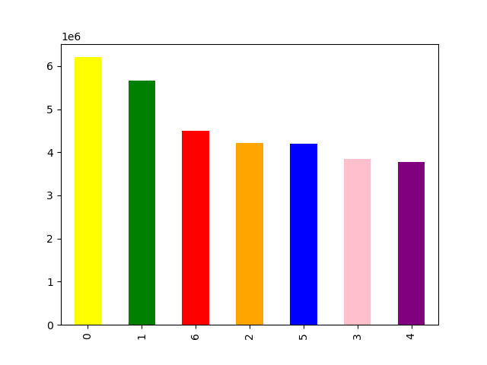


 | Days of the week (0 = Saturday) | Hour of the day

 | The most orders are on Saturday and Sunday | The time between 10am-11am is the peak time

 | 2.What is the time that customers spend the most money?
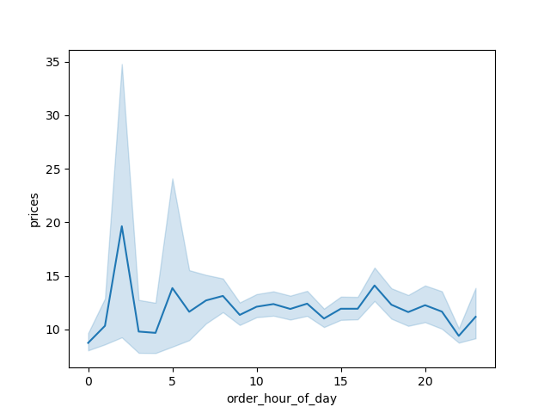

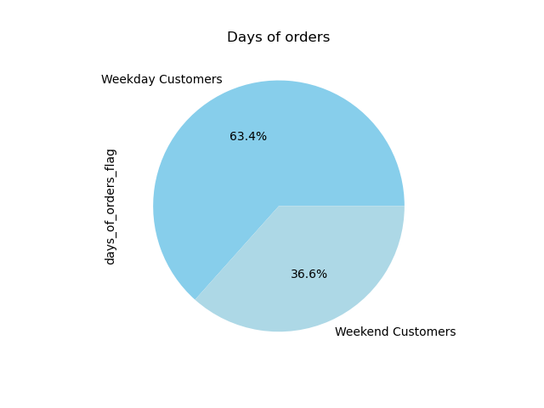

 | The highest spend money on items is around 4pm each day and lowest time is 11 pm.


 | 3.what is the different habits ordering by customer profiles?

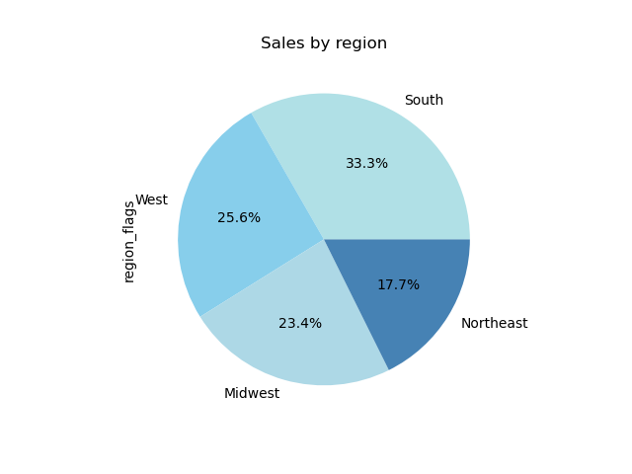

 | South is the highest income and the Northeast is the lowest | The majority of customer have less than 200.000 dollars income, and more than 400000 dollars income are related to people more than 40 years.

 | 4. What is the different habits acording to the age ?
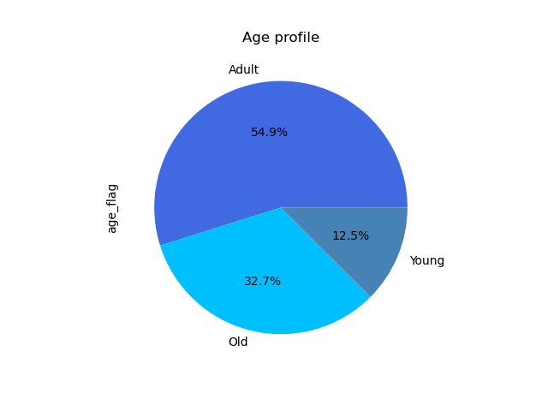


 |  |  |  | age_flag = []
 |  |  |  | for row in customer_orders_products_combined['Age']:
 |  |  |  | if row <=25 :
 |  |  |  | age_flag.append('Young')
 |  |  |  | elif row >25 and row <=60:
 |  |  |  | age_flag.append('Adult')
 |  |  |  | elif row >60:
 |  |  |  | age_flag.append('Old')
 |  |  |  | else:
 |  |  |  | print('Error: Cannot recognize Age')

 | Adult (25 yeatrs- 60 years) have the most sales than the rest

 | 5. By search in customer profile how the Income distubiation is effected?

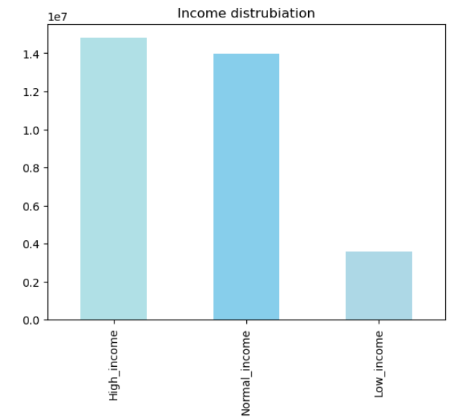

 |  | income_flag = []
 |  | for row in customer_orders_products_combined['Income'].tolist():
 |  | if row <50000 :
 |  | income_flag.append('Low_income')
 |  | elif row >50000 and row <=100000:
 |  | income_flag.append('Normal_income')
 |  | elif row >100000:
 |  | income_flag.append('High_income')
 |  | else:
 |  | print('Error: Cannot recognize income')

 | The High income have most the most sales profit then normal income and the last low income and that makes sense so there any suprisre

 | 6.Are there different in the sales profit (income) by family profile distribution?

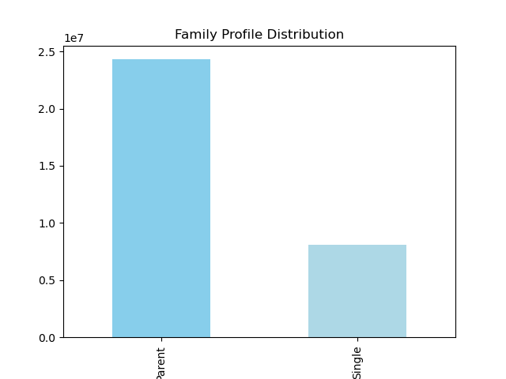

 | There are huge different income between parent and single people as it shown above.

 | 7. Compare between region by department with sales (income)?

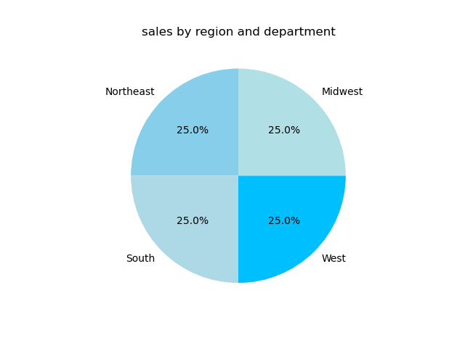

 | There are different between them and that need digging and collect more data.

7. Recommendations
 |  | Title page

Recommendations

In this tab you should include any recommendations you would made to Instcart in terms of their marketing strategy based on the questions posed in the brief. Every key question has been covered in the Tasks of the Exercises - here you need to add an item - a visualisation or table/crosstable that is showing the answer in the data, acompanied by a comment from you. Please, list the questions below and add the answer underneath.

Question
Key Question 1 | What is the busiest days of the week and hours of the day?
Answer | The most orders are on Saturday and Sunday, the peak time in a day is between 10am-11am.
Recommendation | Make sales in Monday and Tuesday and wenesday to encourge people to buy in these days by annonce discounts in these days etc…

Key Question 2 | What is the time that customers spend the most money?
Answer | The highest spend money on items is around 4pm each day and lowest time is 11pm
Recommendation | Encourage people to buy in the late hour when the order is decreased and maybe we can use the apps to make further steps.

Key Question 3 | The sales team needs to know what is the different habits ordering by customer profiles?
Answer | South is the highest income and the Northeast is the lowest, The majority of customers have less than 200.000 dollars in income, and more than 400000 dollars in income are related to people more than 40 years.
Recommendation | We need to normalize the results to know the real difference between regions and then dig for more data to know the different incomes between them and how we can find solutions if there are any differences.

Key Question 4 | What is the different habits according to the age ?
Answer | Adult between (25 yeatrs- 60 years) have the most sales than the rest
Recommendation | we need to focus on old people so we should search why they don’t make an order and how we can make the process of ordering easier and more smoothly, so I suggest to make a survey for this category, also we should focus on young people by attracting them to be familiar to our company.

Key Question 5 | By search in customer profile how the Income distubiation is effected?
Answer | The High income has the most sales profit than normal income and the low income.
Recommendation | I think we need to focus on low income and the reason for that and try to find a solution.

Key Question 6 | Are there different in the sales profit (income) by family profile distribution?
Answer | There are huge different income between parent and single people as it shown above.
Recommendation | Make sense to be different between them but there are huge gaps, so I think we should make methods to attract young people to make orders and maybe use commercial ads on social media is a good start.

Key Question 7 | Compare between region by department with sales (income)?
Answer | There are different between them and that need digging and collect more data.
Recommendation | we need to dig and collect more data about every region so we can compare and know the details and for that more understand data.

